Data Record
SP METROLOGY SYSTEM THAILAND |  |  |  |  |  |  |  | Certificate No. : |  |  | SPR15120011 |  |  |  |  |  |  | Page |  | 1 | of | 1
 |  |  |  |  |  |  |  | Receive Date : |  |  | 18-Jan-16 |  |  |  |  | Calibration Date : |  |  | 19-Jan-16
Equipment Name |  |  |  |  |  |  |  | Temp & Humiduty : |  |  |  | 20 | oC | 50 | %RH
Dial and Digital Thickness Gauge |  |  |  |  |  |  |  | Location |  |  |  |  | In Lab |  |  |  |  |  | On Site
Customer Name : |  |  |  | LG
Equipment Name : |  |  |  | Dial and Digital Thickness Gauge |  |  |  |  |  |  |  | Manufacturer : |  |  |  | Mitutoyo
Model : |  | 123 |  |  |  |  |  |  | Serial No. : |  | 456 |  |  |  |  |  | ID No : |  | 789
Range : |  | 0 |  | to | 25 |  | mm |  |  | Resolution : | 0.001 |  | mm |  |  |  | Readability :
Overall Inspection |  |  |  |  |  | Good |  |  | Not Good

Referance Standard : |  |  |  |  |  |  |  |  |  |  |  |  |  | Due Date :
Referance Standard : |  |  |  |  |  |  |  |  |  |  |  |  |  | Due Date :

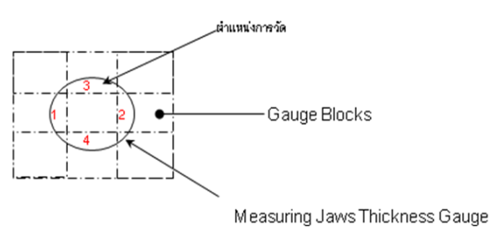
 | Parallelism
 | Normal Value |  | Position |  |  | UUC Reading |  | Parallelism

 | 2.5 |  | 1 |  |  | 2.501 |  | 0.001
 |  |  | 2 |  |  | 2.500 |  | 0.000
 |  |  | 3 |  |  | 2.500 |  | 0.000
 |  |  | 4 |  |  | 2.500 |  | 0.000

 | Normal Value |  | UUC Reading |  |  |  |  |  |  |  |  |  | Average |  |  | Repeatability |  | Error
 |  |  | X1 |  |  | X2 |  | X3 |  | X4
 | 2.5 |  | 1.000 |  |  | 1.000 |  | 1.000 |  | 1.000 |  |  | 1.000 |  |  | 0.00000 |  | -1.500
 | 5.0 |  | 2.000 |  |  | 2.000 |  | 2.000 |  | 2.000 |  |  | 2.000 |  |  | 0.00000 |  | -3.000
 | 7.5 |  | 3.000 |  |  | 3.000 |  | 3.000 |  | 3.000 |  |  | 3.000 |  |  | 0.00000 |  | -4.500
 | 10.0 |  | 4.000 |  |  | 4.000 |  | 4.000 |  | 4.000 |  |  | 4.000 |  |  | 0.00000 |  | -6.000
 | 12.5 |  | 5.000 |  |  | 5.000 |  | 5.000 |  | 5.000 |  |  | 5.000 |  |  | 0.00000 |  | -7.500
 | 15.0 |  | 6.000 |  |  | 6.000 |  | 6.000 |  | 6.000 |  |  | 6.000 |  |  | 0.00000 |  | -9.000
 | 17.5 |  | 7.000 |  |  | 7.000 |  | 7.000 |  | 7.000 |  |  | 7.000 |  |  | 0.00000 |  | -10.500
 | 20.0 |  | 8.000 |  |  | 8.000 |  | 8.000 |  | 8.000 |  |  | 8.000 |  |  | 0.00000 |  | -12.000
 | 22.5 |  | 9.000 |  |  | 9.000 |  | 9.000 |  | 9.000 |  |  | 9.000 |  |  | 0.00000 |  | -13.500
 | 25.0 |  | 10.000 |  |  | 10.000 |  | 10.000 |  | 10.000 |  |  | 10.000 |  |  | 0.00000 |  | -15.000

Calibrated by : |  |  |  | Ms. Arunkamon Raramanus

 | 11 | Ms. Arunkamon Raramanus

